PM
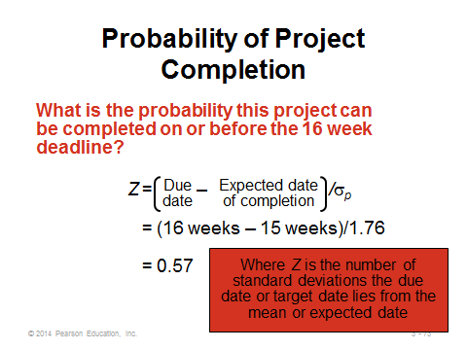
Activity | Predecessor | Mean | Standard Deviation | Variance | Critical?
A Obtain Funding | - | 6 | 0.6 | 0.36 | YES
B Design Building | A | 8 | 1.3 | 1.69 | YES
C Prepare Site | A | 2 | 0.2 | 0.04 | NO
D Lay Foundation | B,C | 2 | 0.3 | 0.09 | YES
E Erects Walls & Roof | D | 3 | 1 | 1 | NO
F Finish Exterior | E | 3 | 0.6 | 0.36 | NO
G Finish Interior | D | 7 | 1.5 | 2.25 | YES
H Landscape Grounds | F,G | 5 | 1.2 | 1.44 | YES

 |  | Variance of Project= |  | 5.83
 |  | STD of project |  | 2.41
 |  | Expected Time = |  | 28
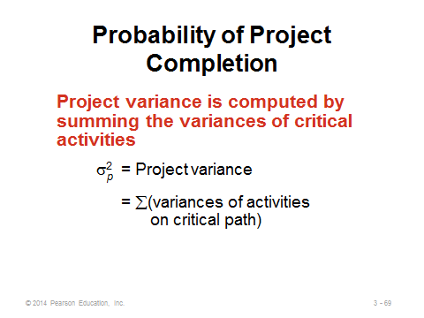
A)P(T<30 months) = | 0.8283

B)P(T>36 months) = | 3.3133

